order form
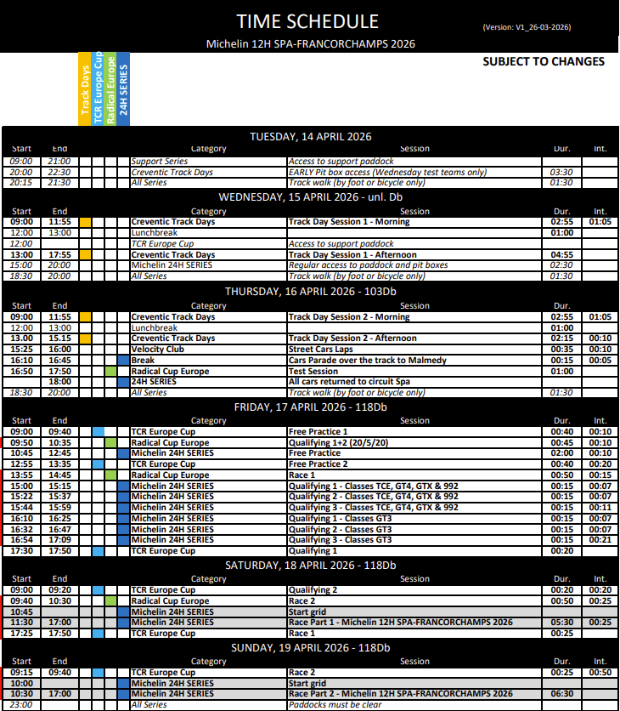
Catering order form Michelin 12H SPA-FRANCORCHAMPS 2026
 |  |  |  | Please send the filled in order form to: support@creventic.com

Contact details |  |  |  |  |  | Invoice details
Team name |  |  |  |  |  | Company name
Contact person |  |  |  |  |  | Zipcode + city
Email |  |  |  |  |  | Adress
Phone |  |  |  |  |  | Country
 |  |  |  |  |  | VAT number

FULL WEEK/DAY CATERING PACKAGES | Price full week | Full week access | Full access day *** | Wednesday | Thursday | Friday | Saturday | Sunday | Total EUR
 | Fill in number of persons for full week only |  | Fill in number of persons per day
Gold access * All day access | € 390.00 | 0 | € 77.50 | 0 | 0 | 0 | 0 | 0 | € -
Silver access ** Access during meal times only (lunch & dinner). Meals per day can be booked below. | € 340.00 | 0 |  |  |  |  |  |  | € -
* Gold includes breakfast, lunch, dinner and gives full week access to the Creventic endurance lounge.
** Silver includes meals for lunch and dinner in the Creventic endurance lounge |  |  |  |  |  |  |  | Subtotal | € -
*** Full access includes breakfast, lunch, dinner and gives full day access to the Creventic endurance lounge.
SEPERATE MEALS | Price | Wednesday | Thursday | Friday | Saturday | Sunday |  |  | Total EUR
 | Fill in the number of persons per seperate meal
Breakfast | € 17.50 | 0 | 0 | 0 | 0 | 0 |  |  | € -
Lunch | € 36.00 | 0 | 0 | 0 | 0 | 0 |  |  | € -
Dinner | € 36.00 | 0 | 0 | 0 | 0 | 0 |  |  | € -

 |  |  |  |  |  |  |  | Subtotal | € -
Only add the selected meals above and indicate the pitbox catering amounts.
PIT BOX CATERING SERVICE | Friday | Saturday | Sunday
 | Fill in the number of persons per pit box service meal
Lunch | 0 | 0 | 0 |  |  |  |  |  | 0
Dinner | 0 | 0 | 0 |  |  |  |  | Exclusive pit box service price | € -
If you make use of pit box catering service, there is a one time service fee of €650
 |  |  |  |  |  |  |  | Total price | € -

